Other
ps |  | для вывода списка активных процессов в системе и информации о них
ps axu | grep chrome |  | для завершения процесса браузера Google Chrome
pidof chrome
kill и killall |  | Завершить процесс в Linux | если мы не указываем какой сигнал посылать, посылается сигнал SIGTERM (от слова termination — завершение)
cat | catenate | команда читает данные из файла или стандартного ввода и выводит их на экран | $ cat опции файл1 файл2 …
 | Ctrl+D | для завершения записи (завершения cat)
$ ping linuxcommand.org |  | достижимость сетевого узла http://www.linuxcommand.org/
get ubuntu-8.04-desktop-i386.iso |  | Посылает удаленной системе запрос на передачу файла ubuntu-8.04-desktop-i386.iso локальной системе. Так как в локальной системе текущим рабочим выбран каталог ~/Desktop, файл будет загружен в него
$ ftp http://162.55.220.72 |  | Unknown host http://162.55.220.72.
https://habr.com/ru/company/ruvds/blog/328436/ |  | Bash-скрипты, часть 11: expect и автоматизация интерактивных утилит

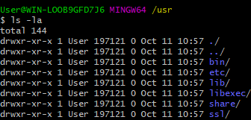
$ cd../../../../
$ ls -la

